Wise shares 2022
 | Key Financial Data

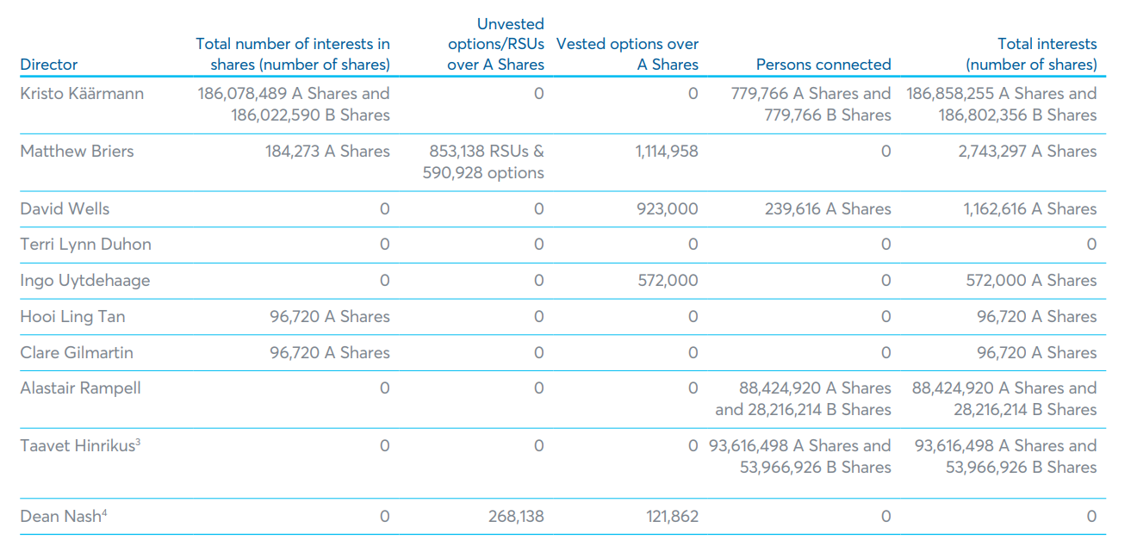

Wise shares hold by employees
 | Total interests (Number of shares) | Accumulated funding (USD $m) | Valuation ($Bn )
Kristo | 186,858,255 | 18.237%
Matthew | 2,743,297 | 0.268%
David | 1,161,616 | 0.113%
Terri |  | 0.000%
Ingo | 572,000 | 0.056%
Hooi | 96,720 | 0.009%
Clare Gilmartin | 96,720 | 0.009%
Alastair | 88,424,920 | 8.630%
Taavet | 93,616,498 | 9.137%
Dean | 0 | 0.000%
TOTAL | $373,570,026.0
 | 1,024,589,856

